Sheet3
LEDGER_CODE | ACHEAD | COST_CENTRE_CODE | COSTCENTREDESC | AMOUNT_DEBIT | AMOUNT_CREDIT

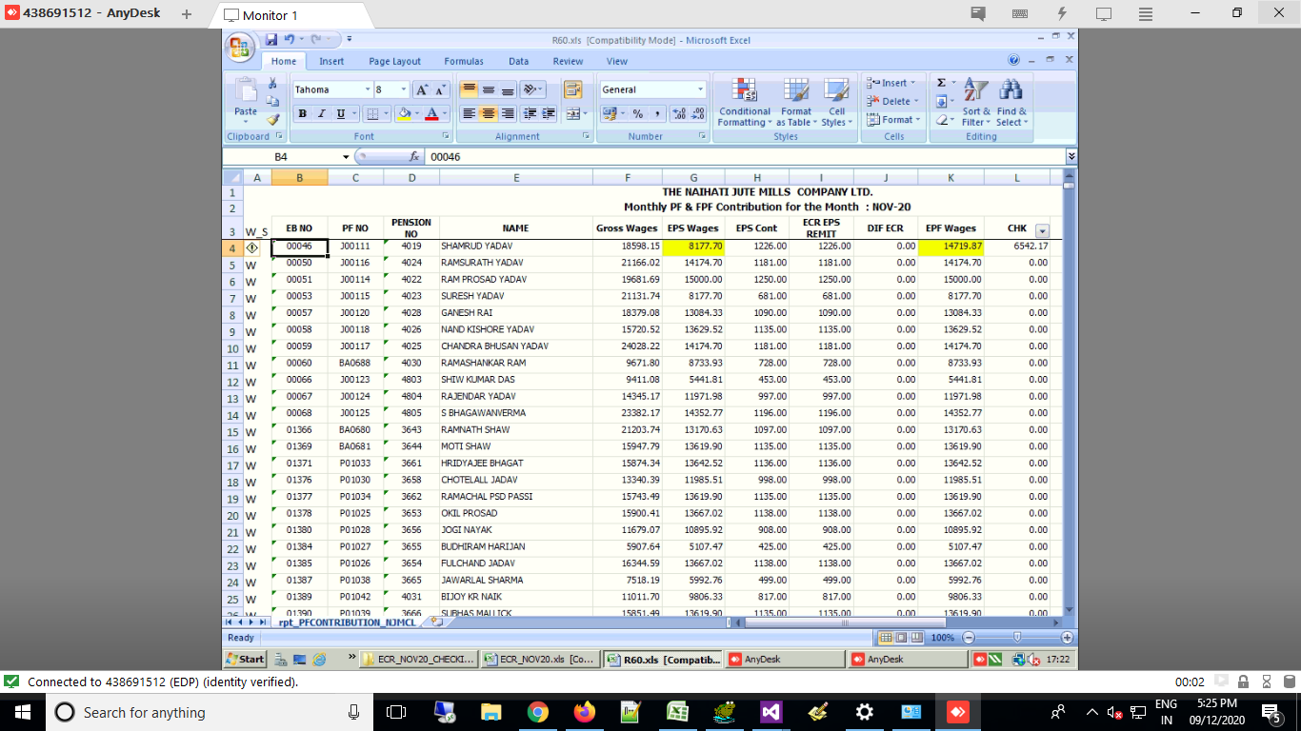
A000075 | ADVANCE AGANIST SALARY |  |  | 0 | 10000
C000107 | CANTEEN RECOVERY |  |  | 0 | 6671
C000114 | EMPLOYER CONTRIBUTION TO PROVIDENT FUND |  |  | 69698 | 0
C000122 | PENSION FUND PAYABLE |  |  | 0 | 81507
E000062 | ESI LIABILITY PAYABLE |  |  | 0 | 4415
P000113 | EMPLOYER CONTRIBUTION TO PENSION FUND |  |  | 81507 | 0
P000125 | SALARIES & WAGES PAYABLE |  |  | 0 | 2311353.34
P000137 | PROFESSION TAX PAYABLE |  |  | 0 | 12815
S000019 | P.F. LIABILITY PAYABLE |  |  | 0 | 220903
S000351 | SALARY AND ALLOWANCE |  |  | 2572459.34 | 0
T000145 | TDS ON SALARY (SEC.192) |  |  | 0 | 76000

 |  |  |  | 2723664.34 | 2723664.34

